CytAssist prep
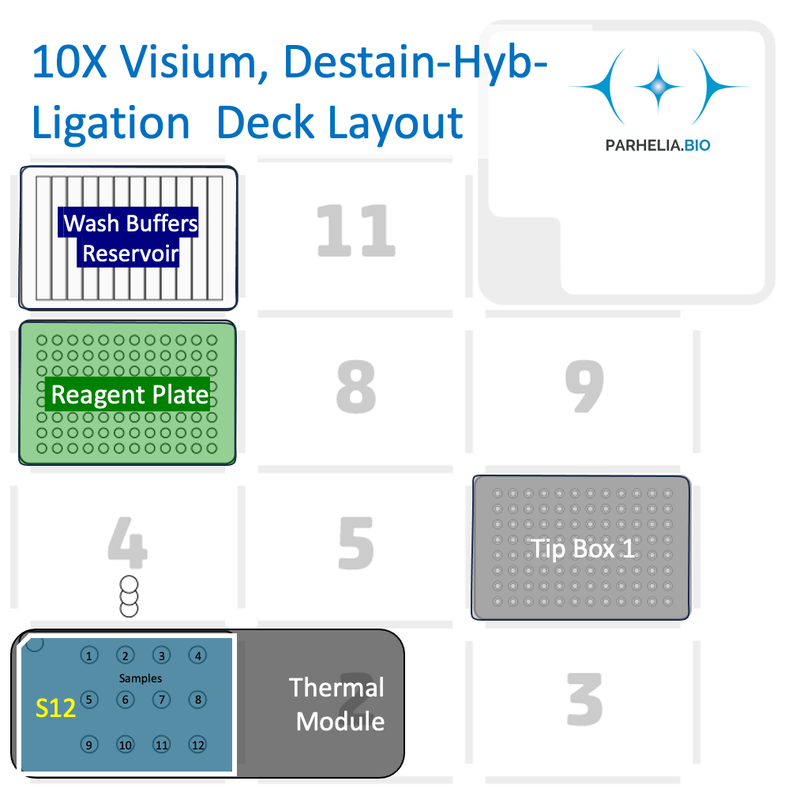
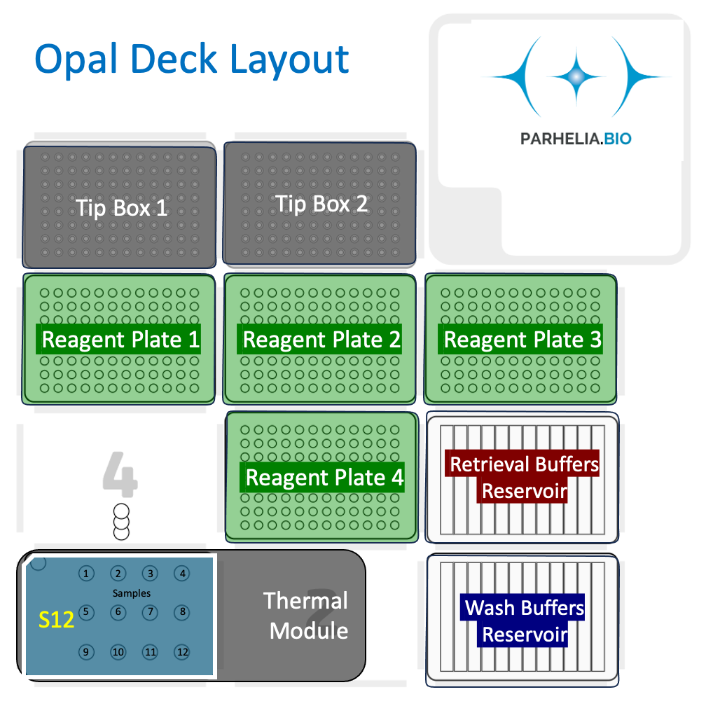
Important! | Adjust the values below (click for drop down selection) and the spreadsheet will auto-fill |  |  | Each of the 12 columns corresponds one of the 12 samples in the Omni-stainer S12 module.
Omni-Stainer Module Type | S12
Number of Samples: | 2
Probe vol (μL) | 200
Wash vol (μL) | 150
Ligation vol (μL) | 130

Deck position 1: | Omni-Stainer S12 module
 | 1 | 2 | 3 | 4
A | Sample | Sample
B
C

Deck position 6: | 300 μL Tip rack

Deck position 10 | Trough | 1 | 2 | 3 | 4 | 5 | 6 | 7 | 8 | 9 | 10 | 11 | 12
Buffers reservoir (12-trough, sealed with a pierceable sealing sheet) | A | Destaining buffer | Decross-linking buffer | 2X SSC Buffer | 1X PBS |  |  |  |  |  |  |  | Alcoholic Eosin 10%
Volume (ml) |  | 3.6 | 3.6 | 5 | 4.8 |  |  |  |  |  |  |  | 3.3

Reagent (Strip Tubes) Plate | Deck position 7 |  | Each of the 12 columns corresponds one of the 12 samples in the Omni-stainer S12 module. |  |  |  |  |  |  |  |  |  | Key | Day 1 | Day 2
Reagent | Volume [μL] / Well |  | 1 | 2 | 3 | 4 | 5 | 6 | 7 | 8 | 9 | 10 | 11 | 12 | Row Volume (μL)
Pre-hyb mix | 200 | A | 200 μL | 200 μL |  |  |  |  |  |  |  |  |  |  | 400
Probe Mix | 200 | B | 200 μL | 200 μL |  |  |  |  |  |  |  |  |  |  | 400
FFPE Post-Hyb. Wash Buffer | 300 | C | 300 μL | 300 μL |  |  |  |  |  |  |  |  |  |  | 600
FFPE Post-Hyb. Wash Buffer | 150 | D | 150 μL | 150 μL |  |  |  |  |  |  |  |  |  |  | 300
Probe Lig. Mix | 130 | E | 130 μL | 130 μL |  |  |  |  |  |  |  |  |  |  | 260
Post-Lig. Wash Buffer | 150 | F | 150 μL | 150 μL |  |  |  |  |  |  |  |  |  |  | 300
Post-Lig. Wash Buffer | 150 | G | 150 μL | 150 μL |  |  |  |  |  |  |  |  |  |  | 300
 |  | H
 |  |  |  |  |  |  |  |  |  |  |  |  |  |  | `

